Sheet1
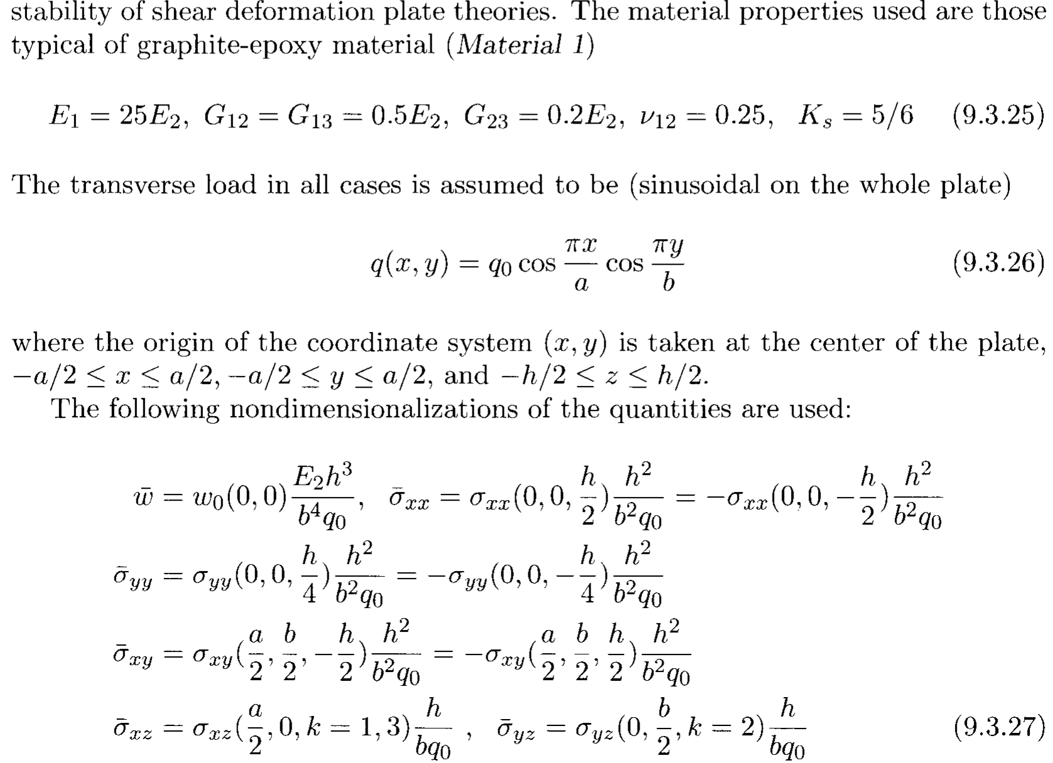
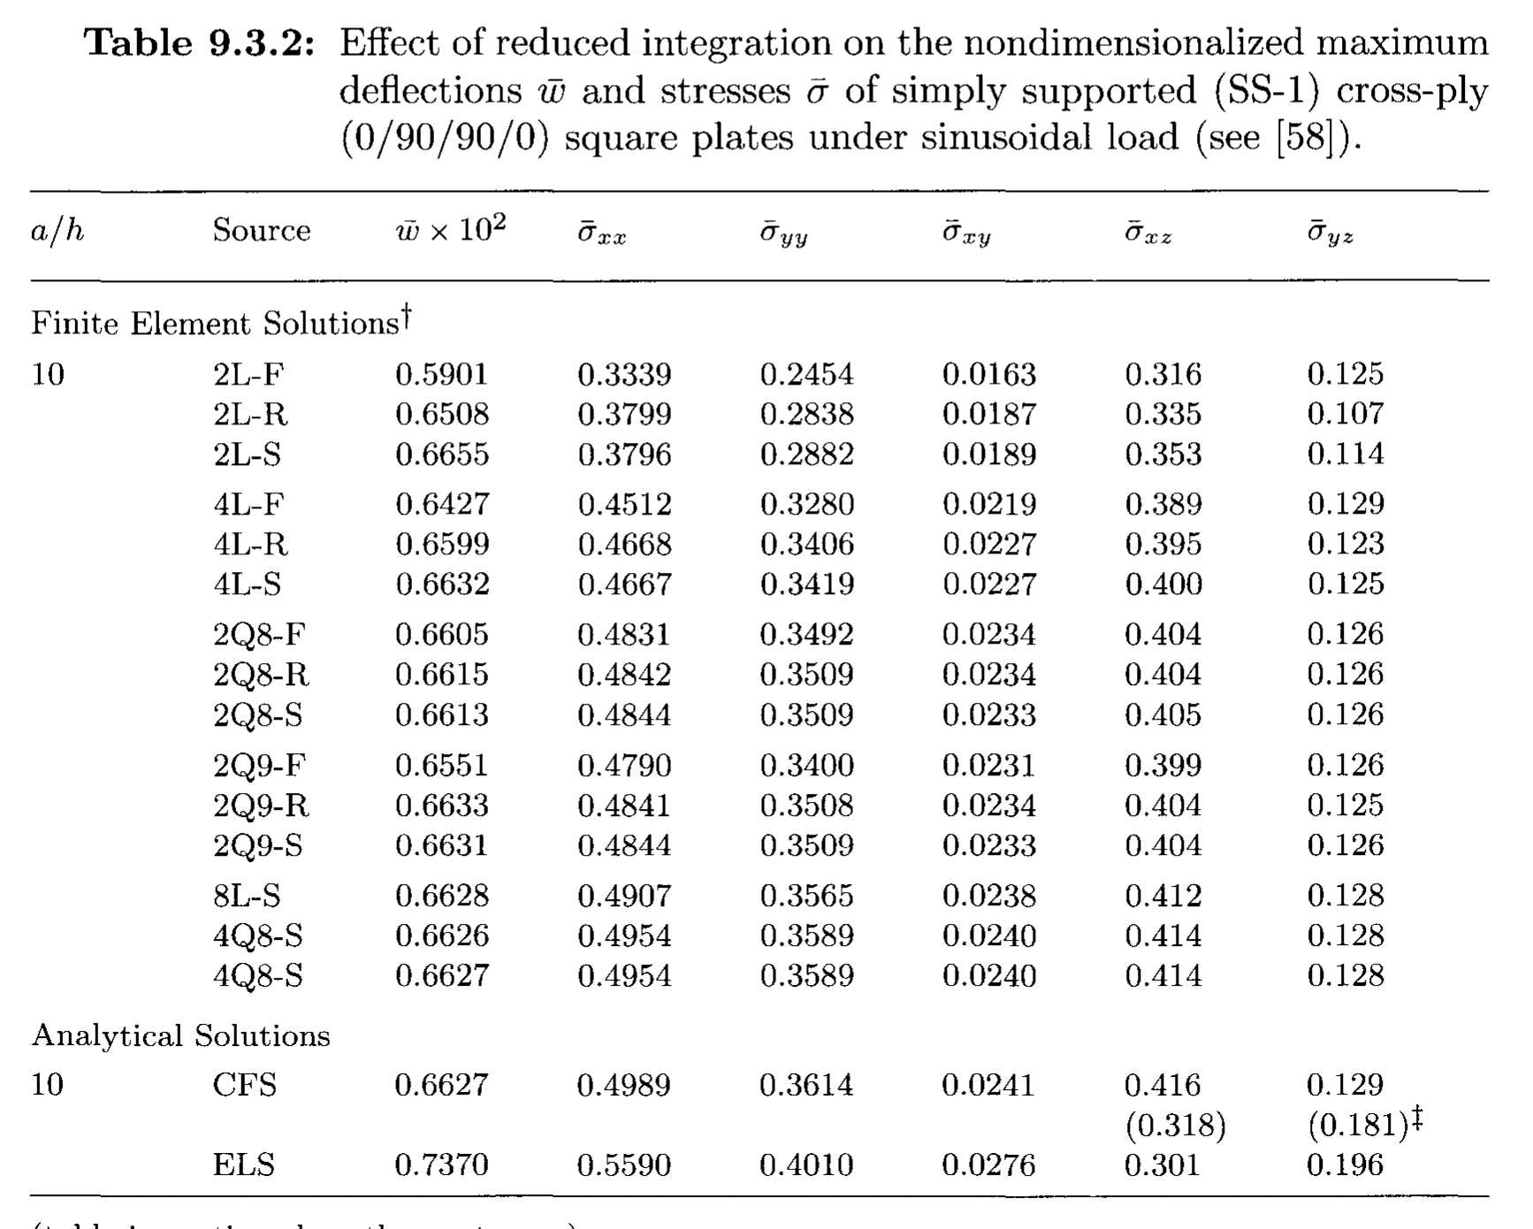

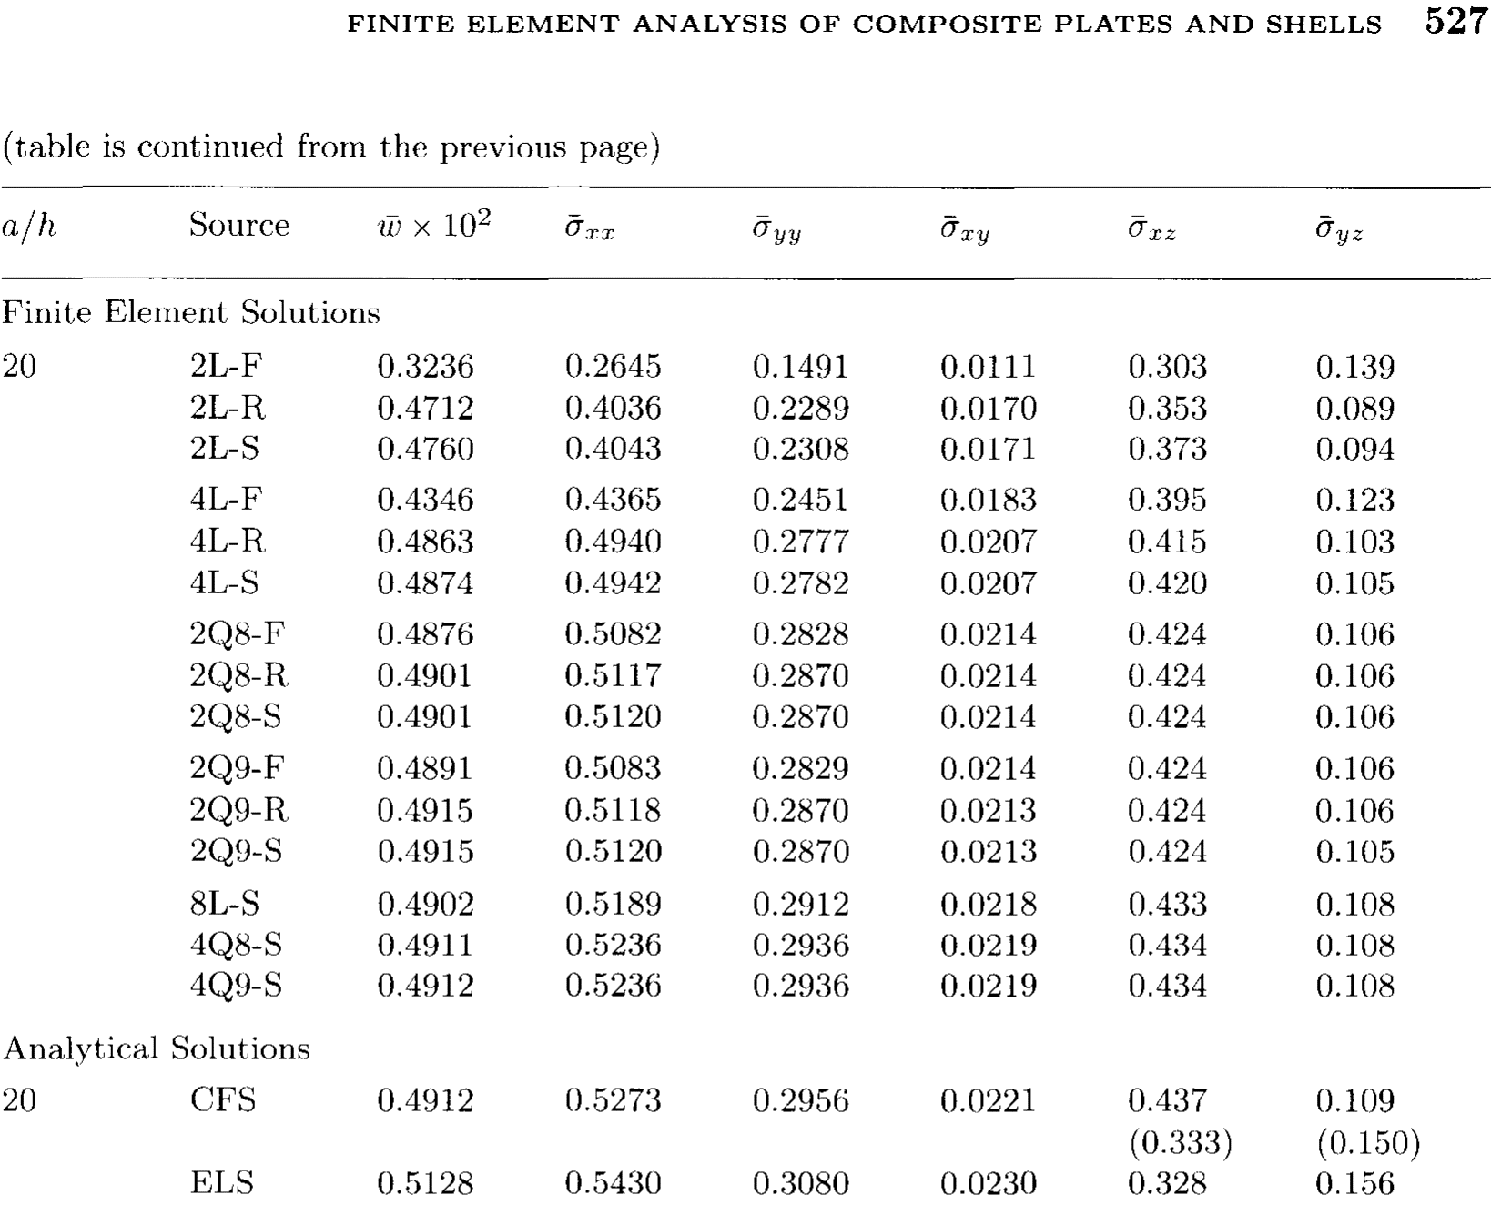

WORKING
a | 200 |  | q0 | 100.00
a/h | 20
h | 10
Layers | 4

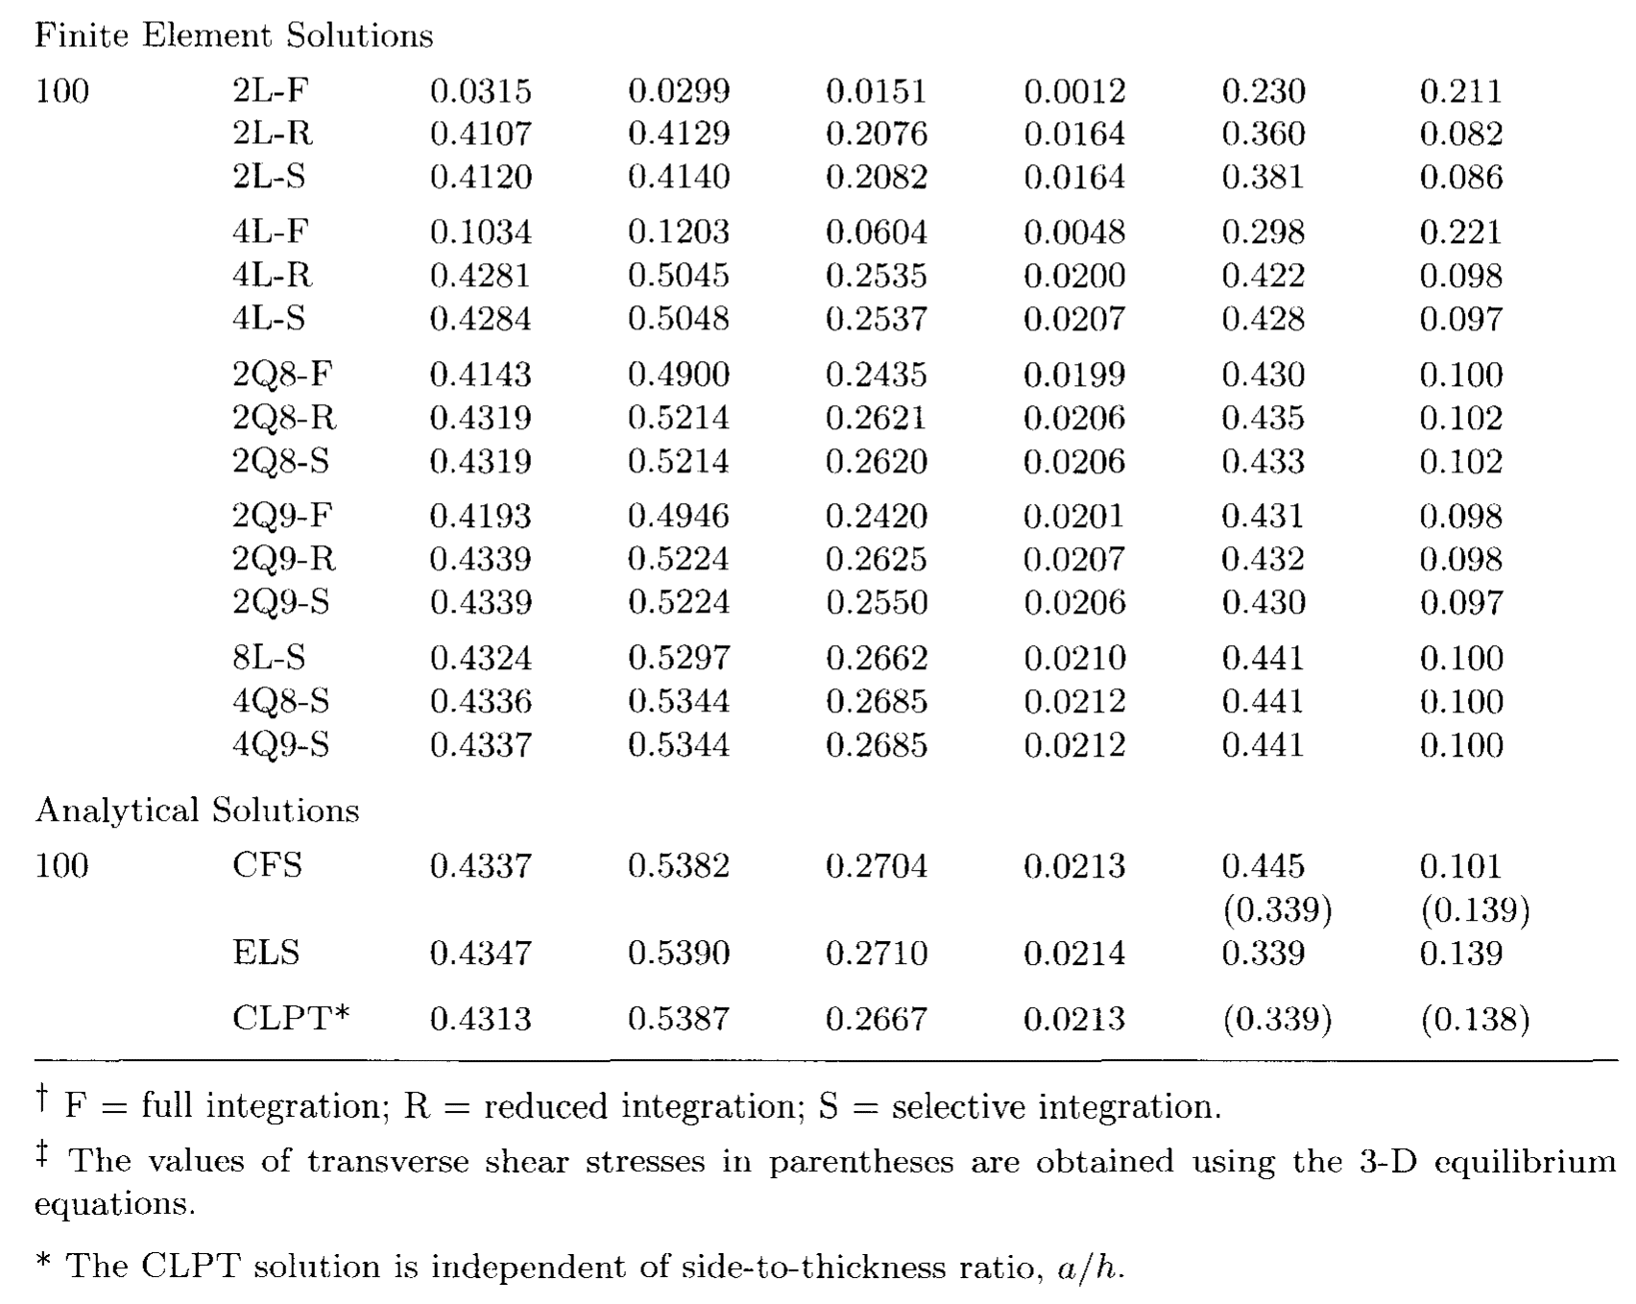
Thickness | E1 | E2 | V12 | G12 | G13 | G23
2.500 | 3.00E+06 | 1.20E+05 | 0.25 | 6.00E+04 | 6.00E+04 | 2.40E+04

 |  |  |  |  |  |  |  | using thee transverse shear scaling factor here
 | w factor | 7.50E-04 | factor | 0.000025 |  | 0.000025 |  | 0.0005 |  | 0.0005 |  | 0.0005
 |  |  | MIDDLE OF PLATE |  | MIDDLE OF PLATE |  | BOTTOM LEFT OF PLATE |  | LEFT MID OF PLATE |  | MID BOTTOM OF PLATE
 |  |  | TOP SURFACE OF TOP PLY |  | TOP SURFACE OF 2ND PLY |  | TOP SURFACE OF TOP PLY |  | CONST THRUOUT ALL
 | w hat | w | s_xx hat | s_xx | s_yy hat | s_yy | s_xy hat | s_xy | s_xz hat | s_xz | s_yz hat | s_yz
Closed form solution | 0.4912 | 6.55E+02 | 0.5273 | 21092 | 0.2956 | 11824 | -0.0221 | -884 | -0.437 | -874 | -0.109 | -218
REF 2Q9F | 0.4891 | 6.52 | 0.5083 | 20332 | 0.2819 | 11276 | -0.0214 | -856 | -0.424 | -848
DSG |  | -6.62 |  | 21194.130226 |  | 11916.0564 |  |  |  | -1110.9728823
Classical plate theory | 0.4313 | 5.75 | 0.5387 | 21548 | 0.2667 | 10668 | -0.0213 | -852
THIN QUAD |  | 5.7405689571 |  | 21426.411378 |  | 10713.204997 |  | -41.616842364

